Figure 1
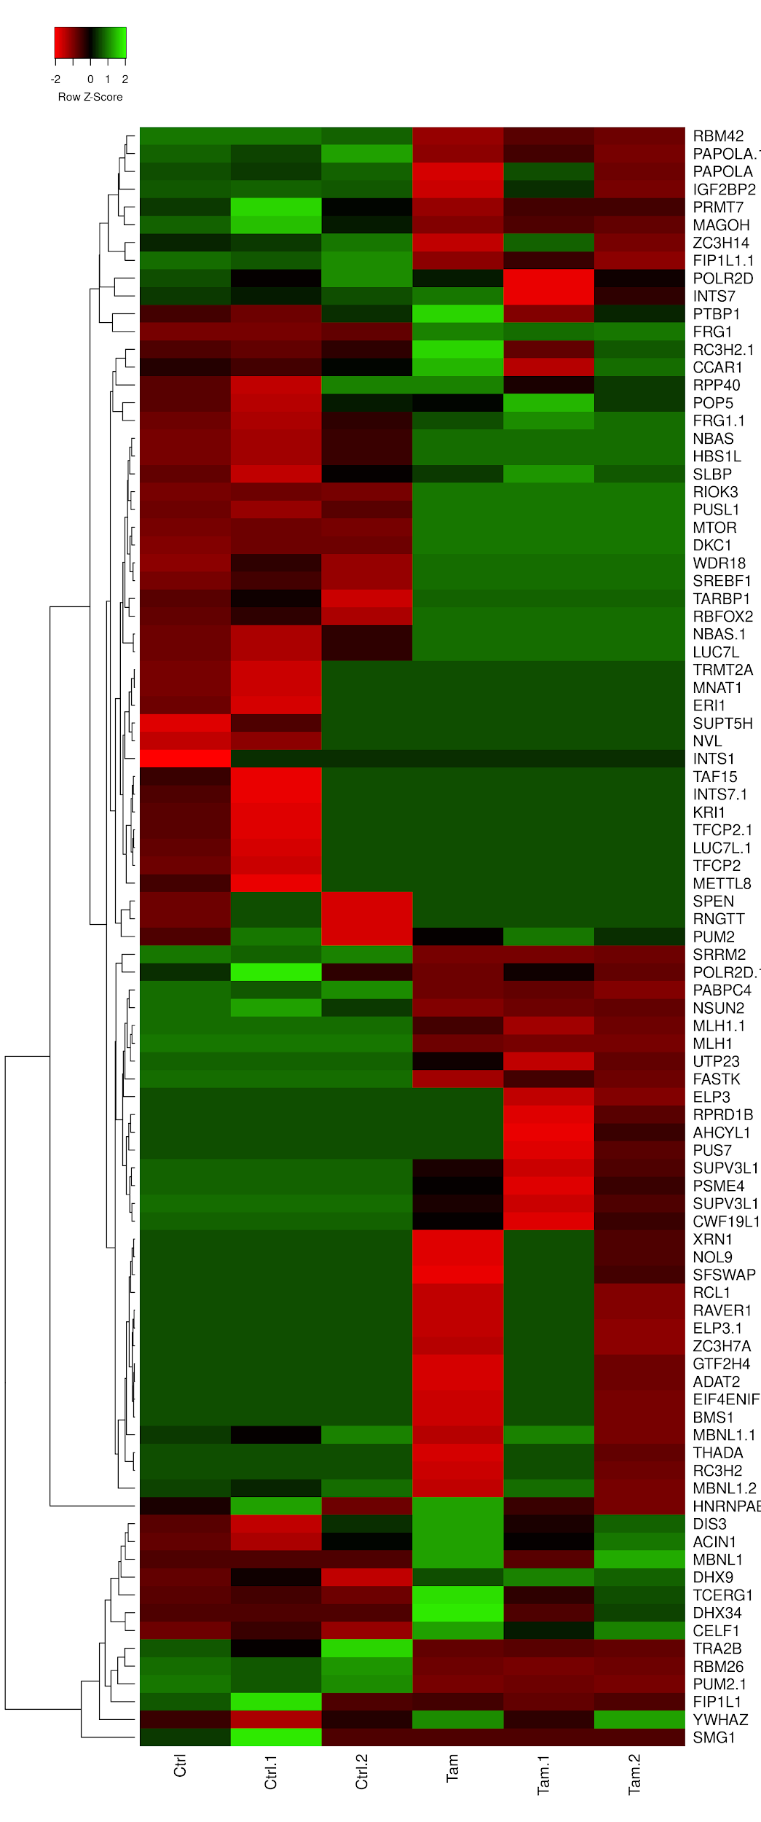
Heatmap of differentially spliced exon events in genes falling in the GO term class “RNA processing” (GO:0006396) that occured between control and tamoxifen treated MCF10-ER-Src cells represented as Z-scores of percent-spliced-in(PSI) values, detected by VAST-TOOLS, with the corresponding hierarchical clustering.

